VN_ContraIndication_Sample Test
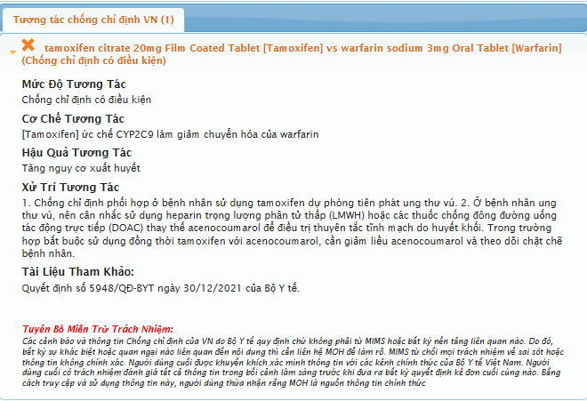
Sl No | ITEM CODE | ItemDesc | VN_Molecule | Request.xml | Expected Alert | Expected Alert Display
1 | 17 | Cravit IV infusion 250 mg/50 mL | Levofloxacin | <Request> <Interaction> <Prescribing> <ItemCode="17" /> <ItemCode="99" /> </Prescribing> </Interaction> </Request> | Levofloxacin VS Haloperidol | 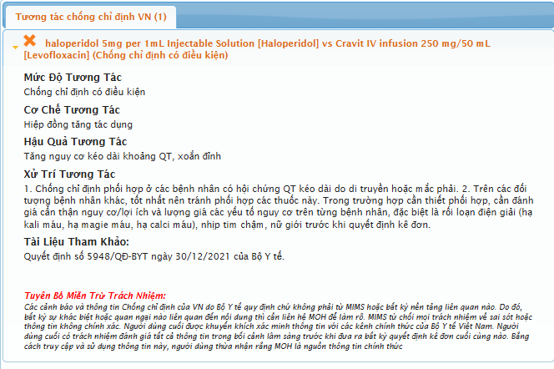
 | 99 | haloperidol 5mg per 1mL Injectable Solution | Haloperidol
2 | 135 | warfarin sodium 3mg Oral Tablet | Warfarin | <Request> <Interaction> <Prescribing> <ItemCode="135" /> <ItemCode="153" /> </Prescribing> </Interaction> </Request> | Warfarin VS Tamoxifen
 | 153 | tamoxifen citrate 20mg Film Coated Tablet | Tamoxifen
3 | 139 | amiodarone hydrochloride 150mg per 3mL Injection | Amiodaron | <Request> <Interaction> <Prescribing> <ItemCode="139" /> <ItemCode="131" /> </Prescribing> </Interaction> </Request> | Amiodaron VS Colchicin | 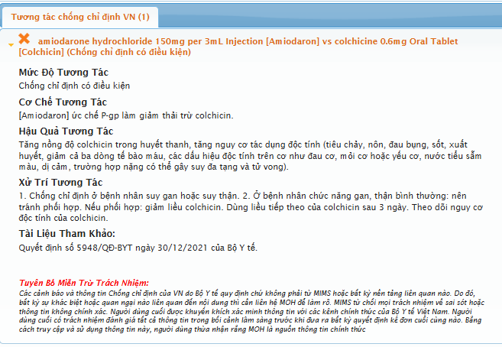
 | 131 | colchicine 0.6mg Oral Tablet | Colchicin
4 | 128 | simvastatin 10mg Film Coated Tablet | Simvastatin | <Request> <Interaction> <Prescribing> <ItemCode="128" /> <ItemCode="158" /> </Prescribing> </Interaction> </Request> | Simvastatin VS Erythromycin | 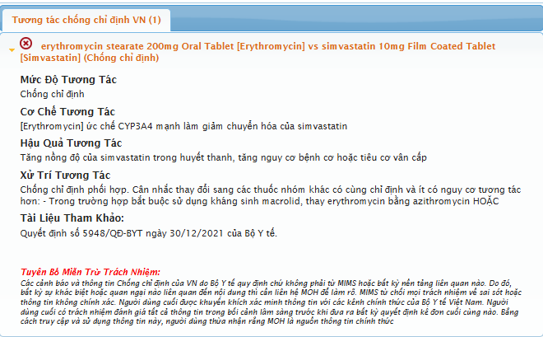
 | 158 | erythromycin stearate 200mg Oral Tablet | Erythromycin
5 | 87 | dilTIAZem hydrochloride 50mg powder for injectable solution | Diltiazem | <Request> <Interaction> <Prescribing> <ItemCode="87" /> <ItemCode="131" /> </Prescribing> </Interaction> </Request> | Diltiazem VS Colchicin | 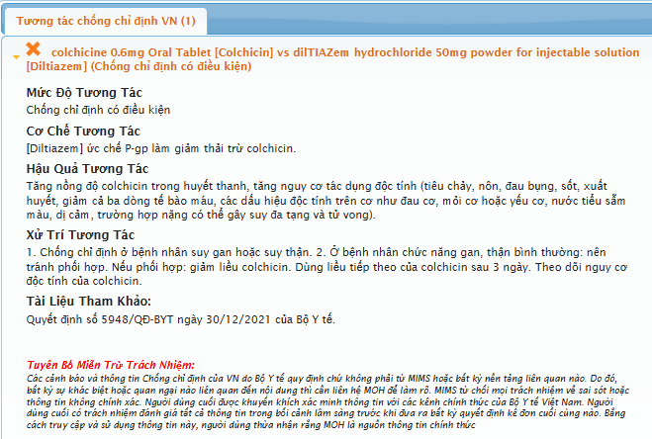
 | 131 | colchicine 0.6mg Oral Tablet | Colchicin

